Summary_Index
Performance Summary | Categorisation: SPI (Y-axis) vs OEI (X-axis) Chart
SPI (%) = 0.35 × Water Quality + 0.25 × Service Coverage + 0.20 × Adequacy + 0.20 × Reliability |  |  |  |  |  |  | OEI (%) = 0.30 × NRW + 0.25 × Grievance Addressal + 0.25 × O&M Ratio + 0.20 × Metering
 |  | ◄ SPI - Level & Quality of Water Supply Service ► |  |  |  | SPI% | ◄ OEI - Operational & Management Efficiency ► |  |  |  | OEI% | Cat# | Category & Level
No. | WSUC Name | Service Coverage (wt 0.25) | Adequacy (wt 0.20) | Water Quality (wt 0.35) | Reliability (wt 0.20) | SPI (%) | NRW (wt 0.30) | O&M Ratio (wt 0.25) | Metering (wt 0.20) | Grievance (wt 0.25) | OEI (%) | Category # | Category & Level
1 | Lubhu_WSUC |  |  | 0.200 | 1.000 | #VALUE! | 0.000 | 0.499 |  |  | #VALUE! | #VALUE! | #VALUE!
2 | Shivalaya_WSUC | 0.000 | 0.000 | 1.000 | 0.524 | 45.500 | 0.000 | 1.000 | 0.955 | 0.000 | 44.1 | 8 | 8. Poor — Functioning Level
3 | Ratnanagar_WSUC |  | 0.000 | 0.200 | 1.000 | #VALUE! | 0.000 | 0.900 |  |  | #VALUE! | #VALUE! | #VALUE!
4 | Nirmalpokhari_WSUC | 0.000 | 0.000 | 0.600 | 0.619 | 33.4 | 0.000 | 1.000 | 0.048 | 1 | 51 | 6 | 6. Active — Functioning Level
5 | Bhimad_WSUC |  |  | 0.200 | 0.714 | #VALUE! | 0.000 |  |  |  | #VALUE! | #VALUE! | #VALUE!
6 | Katunje_WSUC |  | 0.000 | 0.200 | 0.524 | #VALUE! | 0.000 | 1.000 |  |  | #VALUE! | #VALUE! | #VALUE!
7 | Nijgad_WSUC |  |  | 0.200 | 0.571 | #VALUE! | 0.000 |  |  |  | #VALUE! | #VALUE! | #VALUE!
8 | Tinthana_WSUC |  |  | 0.200 |  | #VALUE! | 0.000 |  |  |  | #VALUE! | #VALUE! | #VALUE!
9 | Birgunj_WSUC |  |  | 0.200 | 0.714 | #VALUE! | 0.000 |  |  |  | #VALUE! | #VALUE! | #VALUE!
10 | Gaur_WSUC |  |  | 0.200 | 0.690 | #VALUE! | 0.000 |  |  |  | #VALUE! | #VALUE! | #VALUE!
11 | Beni_WSUC |  |  | 0.200 |  | #VALUE! | 0.000 |  |  |  | #VALUE! | #VALUE! | #VALUE!
12 | Narayansthan_WSUC |  |  | 0.200 |  | #VALUE! | 0.000 | 0.477 |  |  | #VALUE! | #VALUE! | #VALUE!
13 | Diktel_WSUC |  |  | 0.200 |  | #VALUE! | 0.000 | 0.000 |  |  | #VALUE! | #VALUE! | #VALUE!
14 | Parsa_WSUC |  |  | 0.200 | 1.000 | #VALUE! | 0.000 |  |  |  | #VALUE! | #VALUE! | #VALUE!
15 | Saradanagar_WSUC |  |  | 0.200 | 1.000 | #VALUE! | 0.000 | 1.000 |  |  | #VALUE! | #VALUE! | #VALUE!
16 | Gunjanagar_WSUC |  |  | 0.200 | 1.000 | #VALUE! | 0.000 | 0.800 |  |  | #VALUE! | #VALUE! | #VALUE!
17 | Meghauli_WSUC |  |  | 0.200 | 1.000 | #VALUE! | 0.000 |  |  |  | #VALUE! | #VALUE! | #VALUE!
18 | Sukranagar_WSUC |  |  | 0.200 | 1.000 | #VALUE! | 0.000 | 0.317 |  |  | #VALUE! | #VALUE! | #VALUE!
19 | Pithuwa_WSUC |  |  | 0.200 | 1.000 | #VALUE! | 0.000 |  |  |  | #VALUE! | #VALUE! | #VALUE!
20 | Jutpani_WSUC |  |  | 0.200 | 0.786 | #VALUE! | 0.000 | 0.304 |  |  | #VALUE! | #VALUE! | #VALUE!
21 | Namunashivanagar_WSUC |  |  | 0.200 | 1.000 | #VALUE! | 0.000 |  |  |  | #VALUE! | #VALUE! | #VALUE!
22 | Gaidakot_Pumping_WSUC |  |  | 0.600 | 1.000 | #VALUE! | 0.600 | 0.613 |  |  | #VALUE! | #VALUE! | #VALUE!
23 | Amarapuri_WSUC |  |  | 0.200 | 1.000 | #VALUE! | 0.000 |  |  |  | #VALUE! | #VALUE! | #VALUE!
24 | Jwalamukhi Rural Water Sanitation and Hygine Management Board |  |  | 0.200 | 1.000 | #VALUE! | 0.000 | 0.856 |  |  | #VALUE! | #VALUE! | #VALUE!
25 | Mulkhola_Thakre_WSUC |  |  | 0.000 | 1.000 | #VALUE! | 0.000 |  |  |  | #VALUE! | #VALUE! | #VALUE!
26 | Belung_Salyankot_WSUC |  |  | 0.000 | 0.857 | #VALUE! | 0.000 | 0.000 |  |  | #VALUE! | #VALUE! | #VALUE!
27 | Anandaban Sankarnagar Water supply user and sanitation Accociation |  |  | 0.200 | 1.000 | #VALUE! | 0.000 | 1.000 |  |  | #VALUE! | #VALUE! | #VALUE!
28 | Mahadevsthan_Matatirtha_WSUC |  |  | 0.000 |  | #VALUE! | 0.000 |  |  |  | #VALUE! | #VALUE! | #VALUE!
29 | Dudhikot_Brihat_WSUC |  |  | 0.200 |  | #VALUE! | 0.000 |  |  |  | #VALUE! | #VALUE! | #VALUE!
30 | Diktel_WSUC |  |  | 0.200 |  | #VALUE! | 0.000 |  |  |  | #VALUE! | #VALUE! | #VALUE!
31 | Shuvaghat_WSUC |  |  | 0.200 |  | #VALUE! | 0.000 |  |  |  | #VALUE! | #VALUE! | #VALUE!
32 | Shivanagar_WSUC |  |  | 0.200 |  | #VALUE! | 0.000 |  |  |  | #VALUE! | #VALUE! | #VALUE!
33 | Kusma_WSUC |  |  | 0.200 |  | #VALUE! | 0.000 |  |  |  | #VALUE! | #VALUE! | #VALUE!
34 | Ghorahi_WSUC |  |  | 0.200 |  | #VALUE! | 0.000 |  |  |  | #VALUE! | #VALUE! | #VALUE!
35 | Yasok Sukkha Area Tamor Pumping_WSUC | 0.201 | 0.780 | 1.000 | 0.500 | 65.6 | 0.000 | 0.518 | 0.274 | 1 | 43.4 | 7 | 7. Inactive — Functioning Level
36 | Phidim_WSUC | 0.423 | 1.000 | 1.000 | 0.000 | 65.6 | 0.000 | 0.000 | 1.000 | 1 | 45 | 7 | 7. Inactive — Functioning Level
37 | Taplejung_WSUC | 0.701 | 0.182 | 1.000 | 0.548 | 67.1 | 0.000 | 0.521 | 1.000 | 1 | 58 | 5 | 5. Improving — Improving Level
38 | Ilam Bazaar Urban_WSUC | 0.700 | 0.904 | 1.000 | 0.619 | 83 | 0.000 | 0.457 | 1.000 | 1 | 56.4 | 5 | 5. Improving — Improving Level
39 | Dhankuta_WSUC | 0.756 | 0.000 | 1.000 | 0.500 | 63.9 | 0.300 | 0.391 | 1.000 | 1 | 63.8 | 5 | 5. Improving — Improving Level
40 | Khandbari_WSUC | 0.424 | 0.152 | 1.000 | 0.500 | 58.6 | 0.000 | 0.000 | 0.850 | 1 | 42 | 7 | 7. Inactive — Functioning Level
41 | Halesi Area Khotang Large Pumping | 0.000 | 0.000 | 0.000 | 0.500 | 10 | 0.100 | 0.000 | 1.000 | 1 | 48 | 8 | 8. Poor — Functioning Level
42 | Kakarvitta_WSUC | 0.608 |  | 0.200 | 1.000 | #VALUE! | 0.200 | 1.000 | 1.000 | 1 | 76 | #VALUE! | #VALUE!
43 | Khalanga_WSUC | 1.000 | 0.000 | 1.000 | 0.524 | 70.5 | 0.000 | 1.000 | 0.949 | 1 | 69 | 5 | 5. Improving — Improving Level
44 | Nala_WSUC | 1.000 |  | 0.800 | 0.500 | #VALUE! | 0.100 | 0.713 | 1.000 | 1 | 65.8 | #VALUE! | #VALUE!
45 | Dukuchhap_WSUC | 1.000 |  | 1.000 | 0.524 | #VALUE! | 1.000 | 0.000 | 1.000 | 1 | 75 | #VALUE! | #VALUE!
46 | Kalitar_WSUC | 1.000 |  | 1.000 | 0.524 | #VALUE! | 0.000 | 1.000 | 1.000 | 1 | 70 | #VALUE! | #VALUE!
47 | Jaubari Gahu Bari _WSUC | 1.000 |  | 1.000 | 1.000 | #VALUE! | 0.800 | 0.000 | 1.000 | 0 | 44 | #VALUE! | #VALUE!
48 | Lekhnath_WSUC | 0.408 | 0.000 | 1.000 | 0.762 | 60.4 | 0.000 | 0.436 | 0.984 | 1 | 55.6 | 5 | 5. Improving — Improving Level
49 | Waling_WSUC | 0.130 | 0.000 | 1.000 | 0.619 | 50.6 | 0.000 | 0.728 | 0.947 | 1 | 62.1 | 5 | 5. Improving — Improving Level
50 | Baglung_WSUC | 1.000 | 0.000 | 1.000 | 0.000 | 60 | 0.000 | 0.273 | 1.000 | 1 | 51.8 | 5 | 5. Improving — Improving Level
51 | Bojepani_WSUC | 0.186 | 0.000 | 1.000 | 0.524 | 50.1 | 0.000 | 0.443 | 0.967 | 0 | 30.4 | 7 | 7. Inactive — Functioning Level
52 | Tokha_WSUC | 0.000 | 0.000 | 1.000 | 0.524 | 45.5 | 0.000 | 0.448 | 0.884 | 0 | 28.9 | 8 | 8. Poor — Functioning Level
53 | Godawori_WSUC | 0.000 | 0.000 | 1.000 | 0.524 | 45.5 | 0.000 | 0.966 | 0.942 | 0 | 43 | 8 | 8. Poor — Functioning Level
54 | Harisiddhi_WSUC | 0.313 | 0.000 | 1.000 | 0.524 | 53.3 | 0.000 |  | 0.917 | 0 | #VALUE! | #VALUE! | #VALUE!
55 | Bidur_WSUC | 0.546 | 0.000 | 1.000 | 1.000 | 68.6 | 0.000 | 0.158 | 0.955 | 0 | 23 | 7 | 7. Inactive — Functioning Level
56 | Tikathali_WSUC | 0.250 | 0.000 | 0.800 | 0.000 | 34.3 | 0.000 | 0.656 | 0.413 | 0 | 24.7 | 8 | 8. Poor — Functioning Level
57 | Naikap_WSUC | 0.222 | 0.000 | 0.800 | 0.571 | 45 | 0.000 | 0.473 | 0.413 | 0 | 20.1 | 8 | 8. Poor — Functioning Level
58 | Goldhunga_WSUC | 0.000 | 0.000 | 0.800 | 0.000 | 28 | 0.000 | 1.000 | 0.939 | 0 | 43.8 | 8 | 8. Poor — Functioning Level
59 | Mahadevsthan_WSUC | 0.200 | 0.000 | 0.800 | 0.500 | 43 | 0.000 | 0.379 | 0.818 | 0 | 25.8 | 8 | 8. Poor — Functioning Level
60 | Thaiba_WSUC | 0.333 | 0.000 | 0.800 | 0.500 | 46.3 | 0.000 | 0.000 | 0.891 | 0 | 17.8 | 8 | 8. Poor — Functioning Level
61 | Dachi Bhadrawasti_WSUC | 0.687 | 0.000 | 0.800 | 0.524 | 55.6 | 0.000 | 0.779 | 0.994 | 0 | 39.4 | 7 | 7. Inactive — Functioning Level
62 | Bhaimal Gothatar_WSUC | 1.000 | 0.000 | 0.800 | 0.524 | 63.5 | 0.000 | 0.523 | 0.994 | 0 | 32.9 | 7 | 7. Inactive — Functioning Level
63 | Katunje Ghattekhola_WSUC | 0.402 | 0.000 | 1.000 | 0.524 | 55.5 | 0.000 |  | 0.964 | 0 | #VALUE! | #VALUE! | #VALUE!
64 | Pithuwa_WSUC | 0.774 | 0.000 | 1.000 | 1.000 | 74.3 | 0.000 | 1.000 | 0.942 | 1 | 68.8 | 5 | 5. Improving — Improving Level
65 | Padampur_WSUC | 0.268 | 1.000 | 0.200 | 0.833 | 50.4 | 0.000 | 0.000 | 1.000 | 1 | 45 | 7 | 7. Inactive — Functioning Level
66 | Piple_WSUC | 0.049 | 0.000 | 1.000 | 0.786 | 51.9 | 0.000 | 1.000 | 0.942 | 1 | 68.8 | 5 | 5. Improving — Improving Level
67 | Shardanagar_WSUC | 0.978 | 0.000 | 1.000 | 1.000 | 79.4 | 0.000 | 1.000 | 0.917 | 0 | 43.3 | 7 | 7. Inactive — Functioning Level
68 | Gunjannagar_WSUC | 0.000 | 0.000 | 0.600 | 1.000 | 41 | 0.000 | 1.000 | 0.949 | 0 | 44 | 8 | 8. Poor — Functioning Level
69 | Dibyanagar(Joshimal)_WSUC | 0.676 |  | 0.600 | 1.000 | #VALUE! | 0.000 | 0.994 | 0.979 | 0 | 44.4 | #VALUE! | #VALUE!
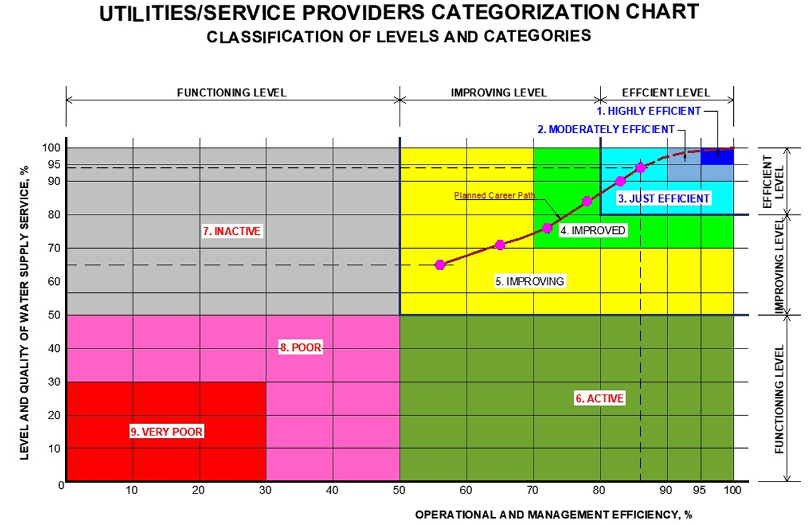
70 | Parbatipur_WSUC | 0.141 |  | 1.000 | 1.000 | #VALUE! | 0.500 |  | 1.000 | 1 | #VALUE! | #VALUE! | #VALUE!
71 | Jagatpur_WSUC | 0.000 | 0.000 | 1.000 | 1.000 | 55 | 0.500 | 0.630 | 0.966 | 1 | 75.1 | 5 | 5. Improving — Improving Level
72 | Bharatpur_WSUC | 0.265 |  | 1.000 | 0.714 | #VALUE! | 0.300 | 1.000 | 1.000 | 1 | 79 | #VALUE! | #VALUE!
73 | Namuna_Shivnagar_WSUC | 0.582 | 0.000 | 1.000 | 1.000 | 69.6 | 0.000 | 0.000 | 0.980 | 1 | 44.6 | 7 | 7. Inactive — Functioning Level
74 | Amarapuri_WSUC | 0.667 |  | 0.600 | 0.810 | #VALUE! | 1.000 | 0.586 | 1.000 | 0 | 64.6 | #VALUE! | #VALUE!
75 | Kawasoti_WSUC | 0.949 | 0.000 | 1.000 | 0.881 | 76.4 | 0.500 | 1.000 | 0.962 | 1 | 84.2 | 4 | 4. Improved — Improving Level
76 | Pragatinagar_WSUC | 0.903 |  | 0.200 | 1.000 | #VALUE! | 0.000 | 0.220 | 1.000 | 1 | 50.5 | #VALUE! | #VALUE!
77 | 0 |  |  | 0.000 |  | #VALUE! | 0.000 |  |  |  | #VALUE! | #VALUE! | #VALUE!
78 | 0 |  |  | 0.000 |  | #VALUE! | 0.000 |  |  |  | #VALUE! | #VALUE! | #VALUE!
79 | 0 |  |  | 0.000 |  | #VALUE! | 0.000 |  |  |  | #VALUE! | #VALUE! | #VALUE!
80 | 0 |  |  | 0.000 |  | #VALUE! | 0.000 |  |  |  | #VALUE! | #VALUE! | #VALUE!
81 | 0 |  |  | 0.000 |  | #VALUE! | 0.000 |  |  |  | #VALUE! | #VALUE! | #VALUE!
82 | 0 |  |  | 0.000 |  | #VALUE! | 0.000 |  |  |  | #VALUE! | #VALUE! | #VALUE!
83 | 0 |  |  | 0.000 |  | #VALUE! | 0.000 |  |  |  | #VALUE! | #VALUE! | #VALUE!
84 | 0 |  |  | 0.000 |  | #VALUE! | 0.000 |  |  |  | #VALUE! | #VALUE! | #VALUE!
85 | 0 | 0.000 |  | 0.000 |  | #VALUE! | 0.000 |  |  |  | #VALUE! | #VALUE! | #VALUE!
86 |  | 0.000 |  | 0.000 |  | #VALUE! | 0.000 |  |  |  | #VALUE! | #VALUE! | #VALUE!
87 |  | 0.000 | 0.000 | 0.000 |  | #VALUE! | 0.000 |  | 0.000 |  | #VALUE! | #VALUE! | #VALUE!
Cat # | Category Name | 0.000 | 0.000 | 0.000 |  | #VALUE! | 0.000 |  | 0.000 |  | #VALUE! | #VALUE! | #VALUE!
1 | Highly Efficient |  | Efficient |  | ≥ 95
2 | Moderately Efficient |  | Efficient |  | ≥ 90
3 | Just Efficient |  | Efficient |  | ≥ 80
4 | Improved |  | Improving |  | 70–79
5 | Improving |  | Improving |  | 50–69
6 | Active |  | Functioning |  | < 50
7 | Inactive |  | Functioning |  | ≥ 50
8 | Poor |  | Functioning |  | < 50
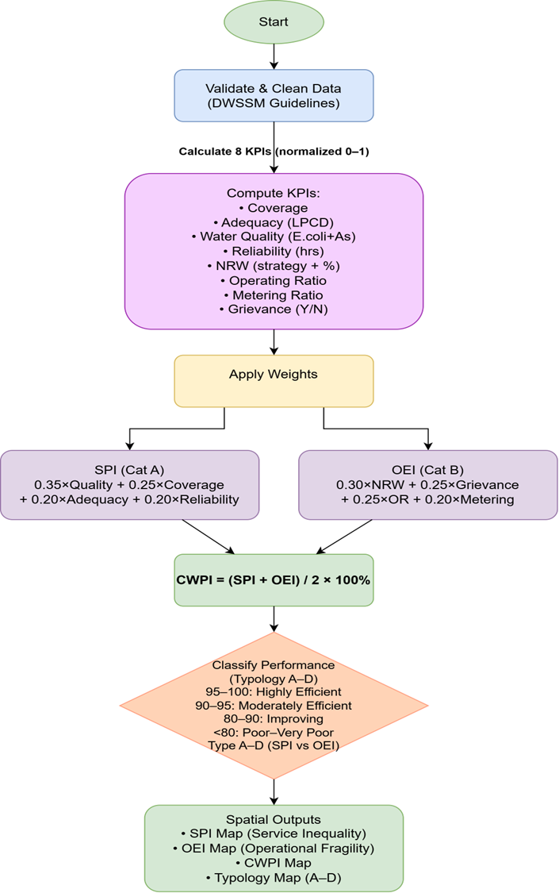
9 | Very Poor |  | Functioning |  | < 30

